Hydrogen Calculations
Hydrogen Properties (Hydrogen Analysis Resource Center: Lower and Higher Heating Values of Hydrogen and Fuels)

Fuels |  | Lower Heating Value (LHV) [1] |  |  |  | Higher Heating Value (HHV) [1] |  |  |  | Density
Gaseous Fuels @ 32 F and 1 atm |  | Btu/ft3 [2] | Btu/lb [3] | MJ/kg [4] |  | Btu/ft3 [2] | Btu/lb [3] | MJ/kg [4] |  | grams/ft3
Natural gas |  | 983 | 20,267 | 47.141 |  | 1089 | 22,453 | 52.225 |  | 22.0
Hydrogen |  | 290 | 51,682 | 120.21 |  | 343 | 61,127 | 142.18 |  | 2.55
Still gas (in refineries) |  | 1458 | 20,163 | 46.898 |  | 1,584 | 21,905 | 50.951 |  | 32.8

Historical Hydrogen Demand
 |  | 2021 Merchant Hydrogen Demand (MMT/year) | 2021 Merchant H2 Demand (BTU/year)
Refining | refined petroleum and coke 19 | 3.6 | 483583466000000

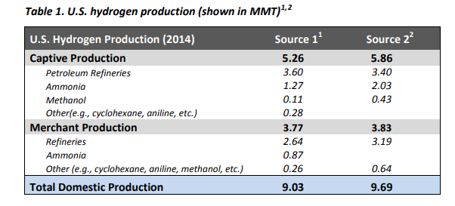
Sector | EPS Sector | 2022 Total H2 Demand (MMT/year) | 2022 Total H2 Demand (BTU/year)
Ammonia | chemicals 20 | 2.6 | 3.503850385E+14
Methanol | chemicals 20 | 1.6 | 2.1562156216E+14
Chemicals | chemicals 20 | 0.335 | 4.5145764576E+13 | *assume half from natural gas reformation, half from process by-product
Electronics | computers and electronics 26 | 0.026 | 3.503850385E+12
Metals | iron and steel 241 | 0.06 | 8.0858085809E+12 | *exclude, primarily from process by-product
Food | food beverage and tobacco 10T12 | 0.005 | 6.7381738174E+11
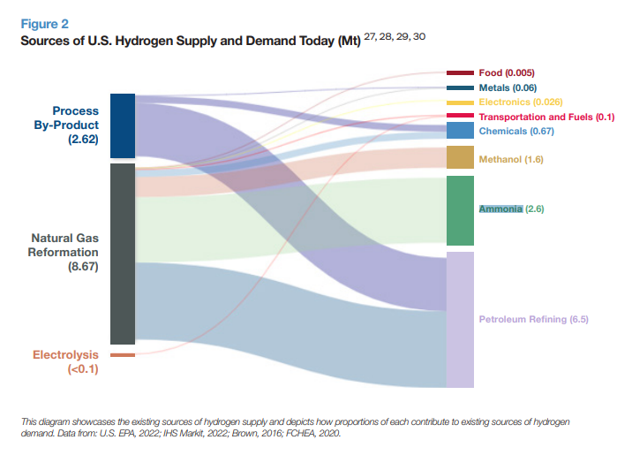

Refinery Calculations
2019 | 2020 | 2021
77600 | 75161 | 76918 | Refinery and Blender Net Input of H2 (1000 barrels) | https://www.eia.gov/dnav/pet/pet_pnp_inpt_a_EPOOOH_yir_mbbl_a.htm
6.287 | 6.287 | 6.287 | Energy content per barrel (MMBtu) | https://www.eia.gov/totalenergy/data/monthly/pdf/sec12.pdf |  |  |  |  |  |  |  | Source: https://www.hydrogen.energy.gov/docs/hydrogenprogramlibraries/pdfs/16015_current_us_h2_production.pdf
487871200000000 | 472537207000000 | 483583466000000 | Refinery and Blender Net Input of H2 (btu)
0.72 | 0.72 | 0.72 | NG->H2 converison efficiency | https://www.nrel.gov/docs/fy14osti/60528.pdf |  |  |  |  |  |  |  |  | other | 0.28 | 0.45 | 0.73

Natural Gas as Feedstock
Sector | EPS Sector | Merchant Production Share(MMT/year) | Merchant H2 Demand (BTU/year) | Natural Gas Feedstock Consumption (BTU/year)
Refining | refined petroleum and coke 19 |  | 483583466000000 | 6.7164370278E+14
Ammonia | chemicals 20 | 0.34523809524 | 1.2096626329E+14 | 168008699018050
Methanol | chemicals 20 | 0.45 | 9.702970297E+13 | 1.3476347635E+14
Chemicals | chemicals 20 | 0.45 | 2.0315594059E+13 | 2.821610286E+13
Electronics | computers and electronics 26 | 1 | 3.503850385E+12 | 4.8664588681E+12
Food | food beverage and tobacco 10T12 | 1 | 6.7381738174E+11 | 9.3585747464E+11

Hydrogen Demand
 | 2021 | 2022 | 2023 | 2024 | 2025 | 2026 | 2027 | 2028 | 2029 | 2030 | 2031 | 2032 | 2033 | 2034 | 2035 | 2036 | 2037 | 2038 | 2039 | 2040 | 2041 | 2042 | 2043 | 2044 | 2045 | 2046 | 2047 | 2048 | 2049 | 2050
refined petroleum and coke 19 | 483583466000000 | 4.9024072634E+14 | 5.1558885169E+14 | 5.3536520482E+14 | 535690189467609 | 5.3712975018E+14 | 5.4290252161E+14 | 5.4309782637E+14 | 5.4609967121E+14 | 5.4641699141E+14 | 5.45825198E+14 | 5.4384903401E+14 | 5.447572242E+14 | 5.4569259392E+14 | 5.4574793796E+14 | 5.4576856116E+14 | 5.4634995063E+14 | 5.4645411317E+14 | 5.4687781213E+14 | 5.4650453227E+14 | 5.4610373428E+14 | 5.4602158009E+14 | 544194364830097 | 5.4311386321E+14 | 5.4228247134E+14 | 5.4322165789E+14 | 5.4216193337E+14 | 5.4385789891E+14 | 5.4460076493E+14 | 5.434774471E+14
chemicals 20 | 2.3831156032E+14 | 2.4394066132E+14 | 2.3246214656E+14 | 2.2656552608E+14 | 2.3319201203E+14 | 2.4173145016E+14 | 2.4791636733E+14 | 2.5290816272E+14 | 2.5618388877E+14 | 2.5895329736E+14 | 2.6344524578E+14 | 2.6827781731E+14 | 2.7268496336E+14 | 2.7831238369E+14 | 2.8332969828E+14 | 2.8647944523E+14 | 2.9012038678E+14 | 2.936979459E+14 | 2.9666285563E+14 | 3.026823769E+14 | 3.0863452713E+14 | 3.1270214976E+14 | 3.1690708952E+14 | 3.1892975089E+14 | 3.208911659E+14 | 3.2307416678E+14 | 3.2641886529E+14 | 3.3046007335E+14 | 3.3396131058E+14 | 3.3722755113E+14
computers and electronics 26 | 3.503850385E+12 | 3.503850385E+12 | 3.5727179255E+12 | 3.6844336327E+12 | 3.8272118788E+12 | 3.9963527714E+12 | 4.1396440278E+12 | 4.2553836316E+12 | 4.3370564905E+12 | 4.3905962756E+12 | 4.4595353816E+12 | 4.5491829946E+12 | 4.6421569659E+12 | 4.7486310474E+12 | 4.8567759179E+12 | 4.9663432871E+12 | 5.0842164453E+12 | 5.2134439146E+12 | 5.343857436E+12 | 5.493651955E+12 | 5.6482059087E+12 | 5.7804633323E+12 | 5.9120261787E+12 | 6.0343357544E+12 | 6.1485899342E+12 | 6.2721725476E+12 | 6.4023403316E+12 | 6.5358927503E+12 | 6.687334406E+12 | 6.8477523537E+12
food beverage and tobacco 10T12 | 6.7381738174E+11 | 6.6541950402E+11 | 6.7583268793E+11 | 6.8248570777E+11 | 6.8880807968E+11 | 6.9777891976E+11 | 7.0750578509E+11 | 7.1747639158E+11 | 7.2609575272E+11 | 7.3455136814E+11 | 7.4403043162E+11 | 7.5223167584E+11 | 7.5896175058E+11 | 7.6624145015E+11 | 7.7423802162E+11 | 7.8272354249E+11 | 7.9105045955E+11 | 7.9943701475E+11 | 8.0800680772E+11 | 8.1669803795E+11 | 8.2509237255E+11 | 8.3379985195E+11 | 8.4247604307E+11 | 8.5088455225E+11 | 8.5920896279E+11 | 8.6714892094E+11 | 8.7512855217E+11 | 8.8336506041E+11 | 8.9155843884E+11 | 8.9979330509E+11

Default SMR Assumption in EPS | 0.95 | 0.95 | 0.95 | 0.95 | 0.95 | 0.95 | 0.95 | 0.95 | 0.95 | 0.95 | 0.95 | 0.95 | 0.95 | 0.95 | 0.95 | 0.95 | 0.95 | 0.95 | 0.95 | 0.95 | 0.95 | 0.95 | 0.95 | 0.95 | 0.95 | 0.95 | 0.95 | 0.95 | 0.95 | 0.95

Natural Gas Use
 | 2021 | 2022 | 2023 | 2024 | 2025 | 2026 | 2027 | 2028 | 2029 | 2030 | 2031 | 2032 | 2033 | 2034 | 2035 | 2036 | 2037 | 2038 | 2039 | 2040 | 2041 | 2042 | 2043 | 2044 | 2045 | 2046 | 2047 | 2048 | 2049 | 2050
refined petroleum and coke 19 | 6.3806151764E+14 | 6.4684540281E+14 | 6.8029084597E+14 | 706384645248367 | 7.0681344444E+14 | 7.0871286482E+14 | 7.1632971602E+14 | 7.1658740979E+14 | 7.2054817729E+14 | 7.2096686367E+14 | 7.2018602514E+14 | 7.1757858655E+14 | 7.1877689305E+14 | 7.2001106142E+14 | 7.2008408481E+14 | 7.2011129598E+14 | 7.2087840708E+14 | 7.2101584376E+14 | 7.2157489101E+14 | 721082368961829 | 7.2055353829E+14 | 720445140390065 | 7.1803423137E+14 | 7.1660856951E+14 | 715511594134168 | 7.1675079861E+14 | 7.1535255098E+14 | 7.1759028328E+14 | 7.1857045373E+14 | 7.1708829825E+14
chemicals 20 | 3.1443886431E+14 | 3.2186615035E+14 | 306720887823958 | 298940624692730 | 3.0768390477E+14 | 3.1895121895E+14 | 3.2711187356E+14 | 3.3369827026E+14 | 3.3802040879E+14 | 3.4167448957E+14 | 3.4760136596E+14 | 3.5397767562E+14 | 3.5979265999E+14 | 3.6721772849E+14 | 3.7383779634E+14 | 3.7799371246E+14 | 3.8279773256E+14 | 3.8751812306E+14 | 391430156729731 | 3.9937258063E+14 | 4.0722611218E+14 | 4.1259311427E+14 | 4.1814129868E+14 | 4.2081008798E+14 | 4.2339806612E+14 | 4.262784145E+14 | 4.3069155837E+14 | 4.3602370789E+14 | 4.406433959E+14 | 4.4495301885E+14
computers and electronics 26 | 4.6231359247E+12 | 4.6231359247E+12 | 4.7140028184E+12 | 4.8614054876E+12 | 5.0497934512E+12 | 5.2729654623E+12 | 5.4620303144E+12 | 5.6147422916E+12 | 5.7225050916E+12 | 5.7931478636E+12 | 5.8841091841E+12 | 6.0023942289E+12 | 6.1250682189E+12 | 6.2655548543E+12 | 6.4082460027E+12 | 6.5528140593E+12 | 6.7083411431E+12 | 6.8788496095E+12 | 7.0509230058E+12 | 7.2485685517E+12 | 7.4524939073E+12 | 7.6270002301E+12 | 7.8005900969E+12 | 7.9619707871E+12 | 8.1127228299E+12 | 8.2757832226E+12 | 8.447532382E+12 | 8.6237473789E+12 | 8.8235662301E+12 | 9.0352288E+12
food beverage and tobacco 10T12 | 8.890646009E+11 | 8.7798406781E+11 | 8.9172368546E+11 | 9.0050197553E+11 | 9.0884399402E+11 | 9.2068051912E+11 | 9.3351457755E+11 | 9.466702389E+11 | 9.5804300706E+11 | 9.6919972186E+11 | 9.817068195E+11 | 9.9252790563E+11 | 1.0014078653E+12 | 1.0110130245E+12 | 1.0215640563E+12 | 1.0327602297E+12 | 1.0437471341E+12 | 1.0548127278E+12 | 1.0661200935E+12 | 1.077587689E+12 | 1.0886635471E+12 | 1.1001525824E+12 | 1.1116003346E+12 | 1.1226948953E+12 | 1.1336784926E+12 | 1.1441548262E+12 | 1.1546835063E+12 | 1.1655511214E+12 | 1.176361829E+12 | 1.1872272776E+12

Assumptions
1037 | btu/cubic foot natural gas | https://www.eia.gov/tools/faqs/faq.php?id=45&t=8#:~:text=In%202020%2C%20the%20U.S.%20annual,103%2C700%20Btu%2C%20or%201.037%20therms.
37.23 | cubic foot of gas per cubic meter of H2 | https://www.epa.gov/sites/default/files/2015-02/documents/subpartp-tsd_hydrogenproduction.pdf
35.3147 | cubic feet per cubic meter
72% | Conversion efficiency | https://www.nrel.gov/docs/fy14osti/60528.pdf
0.454 | kg/lb

